Survey Results
HI Databook Review
Section IV - Piping Materials

Sub-Section Number | Title | Keep | Delete | Modify | Add | Comments 1 | Comments 2
IV A | Steel Pipe
1 | Pipe dimensions: wrought steel & stainless steel |  |  | x |  | Verify with current ANSI/ASTM/ASME standard | Update standards referenced. ASME/ANSI B36.10M-2015 for welded & seamless wrought steel pipe and B36.19M for welded & seamless wrought stainless steel pipe. We should explain the relative roughness values/column or replace with the Moody chart. I remember as a new engineer first learning to apply friction loss his took me some time to figure out how to use. New engineers may not even know what this is. Add weight per linear foot. Add water weight per linear foot.
2 | Specifications for wrought steel and stainless steel pipe |  | ? | x | ? | Verify with current ASME standards. Do we want to include any standards other than ASTM and API? | Update standards referenced. I'm not sure what the purpose is for this table. Would it be helpful to list common uses? (e.g. wrought pipe is suitable for both high and low temperature/pressure applications, ductile iron is suitable for Gravity sewer applications, etc.)
3 | API casting list |  |  | x |  | See API note | I had to recruit colleagues who work with API and high pressure pumpsfor help with these tables. I'll have feedback by next Wed. 4/26.
4 | API plain-end liner list |  |  | x |  | See API note
5 | API tubing list |  |  | x |  | See API note
6 | API drill pipe list |  |  | x |  | See API note
IV B | Iron Pipe
1 | Cast iron pipe dimensions |  |  | x |  | Verify & update with current ANSI/ASTM/ASME standards. Recommend keeping even though it is probably not used frequently. Most users do not realize cast iron and ductile iron pipe have different dimensions than steel pipe. | Is this still relevant or is ductile iron now the predominant choice? ASTM A74-16?
2 | Ductile iron pipe dimensions |  |  | x |  | Verify & update with current ANSI/ASTM/ASME standards. Recommend keeping even though it is probably not used frequently. Most users do not realize cast iron and ductile iron pipe have different dimensions than steel pipe. | Update standard to ASTM A746 - 09(2014)?
IV C | Non-Ferrous Pipe and Tubing
1 | Aluminum alloy seamless pipe and extruded tube | x |  |  |  | Verify with current ANSI/ASTM/ASME standard | Recruited help from another department. Will get feedback by Wed. 4/26.
2 | Aluminum alloy pipe - oil and gas transmission and distribution systems | x |  |  |  | Verify with current ANSI/ASTM/ASME standard
3 | Aluminum coiled tubing - instrument and oil lines, refrigeration services | x |  |  |  | Verify with current ANSI/ASTM/ASME standard
4 | Seamless copper and seamless red brass pipe | x |  |  |  | Verify with current ANSI/ASTM/ASME standard
5 | Threadless copper pipe | x |  |  |  | Verify with current ANSI/ASTM/ASME standard
6 | Seamless copper water tube | x |  |  |  | Verify with current ANSI/ASTM/ASME standard
7 | Wrought seamless copper and copper alloy tube | x |  |  |  | Verify with current ANSI/ASTM/ASME standard
8 | Copper capillary tube, hard-drawn | x |  |  |  | Verify with current ANSI/ASTM/ASME standard
9 | Seamless copper - nickel pipe and tube | x |  |  |  | Verify with current ANSI/ASTM/ASME standard
IV D | Plastic Line Pipe
1 | Thermosetting resin line pipe, glass fiber reinforced |  |  | x |  | See API note | replace with ASTM D3517 - 14 reference? Note, commonly referred to as "Fiberglass"
2 | Thermoplastic line pipe (PVC) |  |  | x |  | See API note | replace with ASTM D2665 - 14 reference?
IV E | Flanges
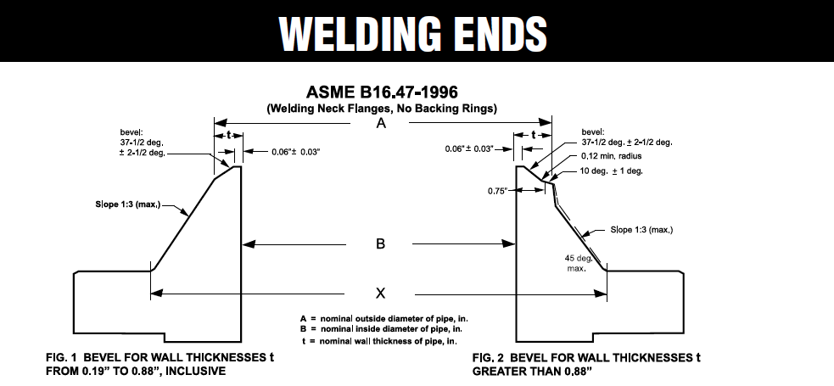
1 | Steel pipe flanges and flanged fittings - 150 to 2500 lb |  |  | x | x | Verify with current ANSI/ASTM/ASME standard | Update reference. Prior to dimensional tables, add a note of about selecting appropriate flange type, face, and material (cast iron vs. steel & SS). I found a good article online that addresses some basic questions. http://www.whatispiping.com/selection-of-various-types-of-flanges I'd also like to see something that describes the flange type with a picture. Here's an example. http://www.coastalflange.com/pipe-flanges.html ASME B16.5 for steel flanges NPS 1/2 to NPS 24. What about sizes over 24"? I have used AWWA C207, but there is ASME B16.47 for size NPS 26 to NPS 60.
2 | Steel flange facings, lapped joints |  |  | x | x | Verify with current ANSI/ASTM/ASME standard | I find this section very confusing. I think it would be helpful to first show the pictures with explainations of the different face types prior to dimensioning. For example http://www.sunnysteel.com/blog/index.php/flange-face/ Also the formating requires a lot of flipping back and forth. I'd prefer to have in flange face and dimensions on the same page even if that means more pages.
3 | Dimensions of facings - other than ring joints |  |  | x |  | Verify with current ANSI/ASTM/ASME standard | See comment above.
4 | Dimensions of ring joint facings | x |  |  |  | Verify with current ANSI/ASTM/ASME standard | This is much easier to read.
5 | API type 6B flanges |  |  | x |  | See API note | Recruited help from another department. Will get feedback by Wed. 4/26.
6 | API type 6BX integral flanges |  |  | x |  | See API note
7 | API type 6BX welding neck flanges |  |  | x |  | See API note
8 | Welding ends for welding neck flanges |  |  | x | x | See API note. Need to improve drawing. Add reference to applicable ASME/ANSI standards (B16.5?) | I really don't like this drawing. It takes me too long to figure out what I am looking at. I'd much rather see both sides of the flange like shown to the right. (www.coastalflange.com/pdf/welding_ends.pdf)
9 | API type 6BX blind and test flanges |  |  | x |  | See API note | Recruited help from another department. Will get feedback by Wed. 4/26.
10 | Test and gage connections for 15,000 LB Christmas trees |  |  | x |  | See API note | Does this really belong here? Anyone messing with a 15,000 lb connection, probably won't be looking at a general engineering handbook.
11 | API type 6B thread flange, counterbore dimensions |  |  | x |  | See API note | Recruited help from another department. Will get feedback by Wed. 4/26.
12 | Cast iron flange dimensions and drilling templates |  |  | x | x | Verify with current ANSI/ASTM/ASME standard | ASME B16.1-2015 update reference. Should we add a note about pressure ratings based on pipe size and temperature? I don't understand the last column, length of machine bolts 25 lb to 125 lb flg. Delete 800 lb cast iron flange page. I don't this is applicable any more. Add AWWA C110-12 ?
13 | Assembly of steel RF flanges to cast iron, brass, bronze or stainless steel | x |  |  |  | Verify with current ANSI/ASTM/ASME standard

 |  |  |  |  |  | API Note - There are many API references. At a minimum they need to be verified and updated. Need to evaluate usefulness (would users seeking API data look at the HI reference or use API references?)

Sub-Section Number | Title | Keep | Delete | Modify | Add | Comments 1 | Comments 2
 |  |  |  |  | x |  | Define NPS (Nominal Pipe Size) inches and DN (Nominal Diameter) mm
 |  |  |  |  | x |  | Add dimensional comparison table of cast iron Class 125 B16.1 to EN 1092-2, PN10.
 |  |  |  |  | x |  | Pipe thread standard ANSI/ASME B1.20.1 (NPT). I believe that this standard does not permit sch 5 and 10 to have pipe thread.
Hydraulics |  |  |  |  | x | Add basic information on pump hydraulics - pump head, suction head/lift, head vs pressure, NPSH
Hydraulics |  |  |  |  | x | Add info on specific speed and suction specific speed
Hydraulics |  |  |  |  | x | Add info on operating pumps in series and in parallel
Hydraulics |  |  |  |  | x | Add info on pump efficiency and wire-to-water efficiency
Hydraulics |  |  |  |  | x | Add info on affinity laws
Regulation |  |  |  |  | x | Add info on DOE regulations
General |  |  |  |  | x | Add info on pump classification
Flanges |  |  |  |  | x | Add tables for flange pressure-temperature ratings such as one from ANSI B16.5.
Flanges |  |  |  |  | x | Add charts for other flange designations? (DIN, JIS, etc.)
Fittings |  |  |  |  | x | Add dimension data of cast iron pipe fittings? (elbows, tees, crosses, etc.)
Fittings |  |  |  |  | x | Add dimension data of weld neck pipe fittings? (elbows, tees, etc.)
All Sections |  |  |  |  | x | Add references to HI standards where more information can be obtained on data provided in the data book
IIID-1 Nozzles |  |  |  |  | x | Add data on calculating flow through orifices and nozzles (see Camerons)

